AXISONF
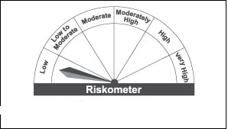
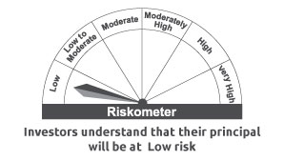
AXISONF | Axis Overnight Fund

 | Monthly Portfolio Statement as on August 31, 2022
 | Name of the Instrument | ISIN | Industry / Rating | Quantity | Market/Fair Value (Rs. in Lakhs) | % to Net Assets | YTM~ | YTC^ | null
 | Money Market Instruments
 | Treasury Bill
TBIL2066 | 91 Days Tbill (MD 22/09/2022) | IN002022X122 | Sovereign | 15,000,000 | 14,954.15 | 1.24% | 5.33%
TBIL2056 | 91 Days Tbill (MD 01/09/2022) | IN002022X098 | Sovereign | 10,000,000 | 10,000.00 | 0.83% | 5.29%
 | Sub Total |  |  |  | 24,954.15 | 2.07%
 | Total |  |  |  | 24,954.15 | 2.07%
 | Reverse Repo / TREPS
TRP_010922 | Clearing Corporation of India Ltd |  |  |  | 852,842.93 | 70.70% | 5.40%
REP_28980 | Clearing Corporation of India Ltd |  |  |  | 139,098.14 | 11.53% | 5.65%
REP_28983 | Clearing Corporation of India Ltd |  |  |  | 89,498.00 | 7.42% | 5.68%
REP_28981 | Clearing Corporation of India Ltd |  |  |  | 49,999.89 | 4.15% | 5.59%
REP_28982 | Clearing Corporation of India Ltd |  |  |  | 37,999.14 | 3.15% | 5.67%
REP_28976 | Clearing Corporation of India Ltd |  |  |  | 9,899.14 | 0.82% | 5.60%
 | Sub Total |  |  |  | 1,179,337.24 | 97.77%
 | Total |  |  |  | 1,179,337.24 | 97.77%
 | Net Receivables / (Payables) |  |  |  | 1,962.89 | 0.16%
 | GRAND TOTAL |  |  |  | 1,206,254.28 | 100.00%

 | ~ YTM as on August 31, 2022
 | ^ YTC represents Yield to Call provided by valuation agencies as on August 31 , 2022. It is disclosed for Perpetual Bond issued by Banks (i.e. AT-1 Bond / Tier 1 Bond / Tier 2 Bond), as per AMFI Best Practices Guidelines Circular no. 135/BP/91/2020-21 read with SEBI circular No. SEBI/HO/IMD/DF4/CIR/P/2021/034 on Valuation of AT-1 Bonds and Tier 2 Bonds.

 |  | Benchmark Name - NIFTY 1D RATE INDEX
 | Scheme Risk-O-Meter | Benchmark Risk-O-Meter

